Sheet1
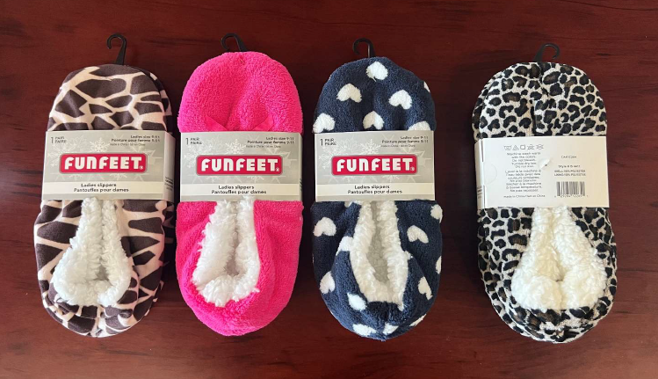
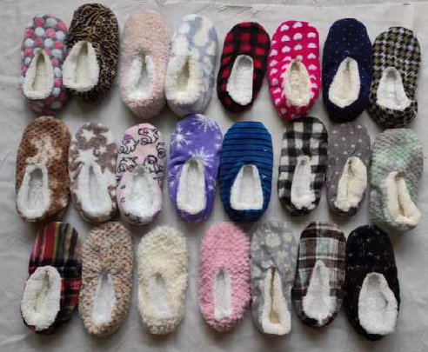
LADIES KNITTED SLIPPERS WITH / WITHOUT SOLES
Stule #S4411
Acrylic & Polyester
Warmth and comfort on cold days
21,000 units available (875 cases)
(subject to final count/ subject to prior sale)
Assorted Colours/ Patterns per case
Case pack 24
Inner Case Pack 6
MSRP: $9.99
OFFER PRICE $2,20/pair
FOB Montreal

